AWGQ 2018 RegForm
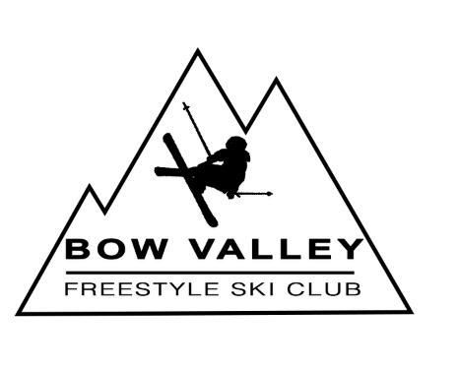
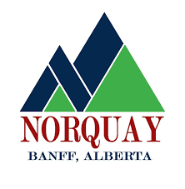
2018 U12 Freestylerz Festival and Slope Club Comp February 2 - 4th, 2018
Hosted by the Bow Valley Freestyle Ski Club and Freestyle Canada


Submit registration to al.bessel@gmail.com by Friday January 26th
 |  | Make cheque payable to Bow Valley Freestyle Ski Club
 |  | EVENT FEE: | $75 both events |  |  |  |  | BANQUET: | $30 - Adults
 |  |  |  |  |  |  |  |  | $15 - Children

Team:
Coaches:
Email Contact:

CFSA # | BIB# | Athlete Last Name | Athlete First Name | Birth Year | male | female | Freestylerz Festival | Slopestyle | $ Event Total | # Banquet (Adult) | # Banquet (Children) | $ Banquet Total | $ Total Event & Banquet

99999999 | 999 | DOE | JOHN | 2000 | 1 |  | 1 | 1 | $75.00 | 3 | 1 | $105.00 | $180.00
 |  |  |  |  |  |  |  |  |  |  |  | $0.00 | $0.00
 |  |  |  |  |  |  |  |  |  |  |  | $0.00 | $0.00
 |  |  |  |  |  |  |  |  |  |  |  | $0.00 | $0.00
 |  |  |  |  |  |  |  |  |  |  |  | $0.00 | $0.00
 |  |  |  |  |  |  |  |  |  |  |  | $0.00 | $0.00
 |  |  |  |  |  |  |  |  |  |  |  | $0.00 | $0.00
 |  |  |  |  |  |  |  |  |  |  |  | $0.00 | $0.00
 |  |  |  |  |  |  |  |  |  |  |  | $0.00 | $0.00
 |  |  |  |  |  |  |  |  |  |  |  | $0.00 | $0.00
 |  |  |  |  |  |  |  |  |  |  |  | $0.00 | $0.00
 |  |  |  |  |  |  |  |  |  |  |  | $0.00 | $0.00
 |  |  |  |  |  |  | Banquet tickets for coaches: |  |  |  |  | $0.00 | $0.00
 |  |  |  |  |  |  | Other Banquet tickets: |  |  |  |  | $0.00 | $0.00
 |  |  |  | Totals | 1 | 0 | 1 | 1 | $75.00 | 3 | 1 | $105.00 | $180.00

Bib Deposit if using Bow Valley bibs (it is highly recommended that each club supply their own bibs - limited numbers available). Requires a separate cheque to be returned at end of comp.

 | Number of bibs | Cost/bib | Total bib deposit
 |  | $20.00 | $-

